Cover
2024
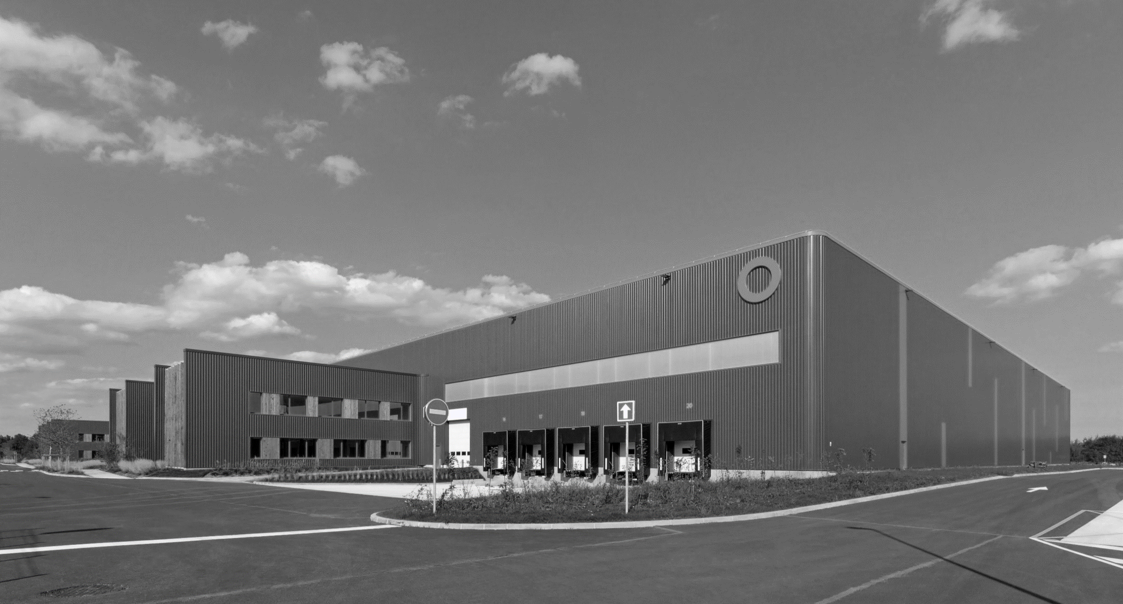

HALF YEAR
PROPERTY ANALYSIS REPORT

Overview
OVERVIEW

 | THE BUILDINGS WE PROVIDE

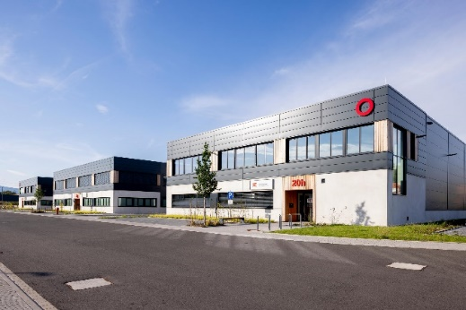
Geographical split by value |  | URBAN WAREHOUSES
(SEGRO share) |  |  | Urban warehouses are located in, or close to, population centres and business districts and provide flexible space suitable for a wide range of activities. They are used by businesses which need rapid access to end customers, as well as labour and are therefore generally situated close to main roads and public transport.
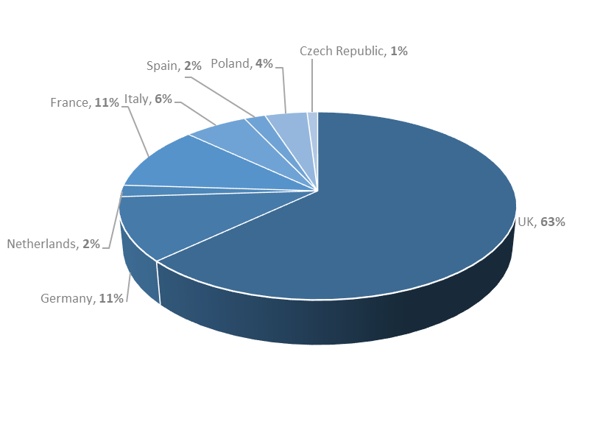

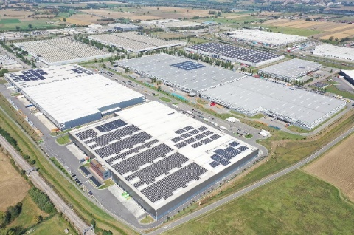
 |  | BIG BOX WAREHOUSES
 |  |  | Big box warehouses are typically used for storage and processing of goods for regional, national and international distribution and are much larger than urban warehouses. They are often located far from the end customer but are situated in key logistics hubs or along major transport routes (mainly motorways, ports, rail freight terminals and airports) to allow rapid transit.

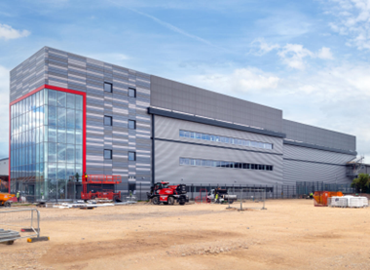
Asset type by value (excluding land) |  | DATA CENTRES
(SEGRO share) |  |  | Data centres house IT infrastructure for building, running and delivering applications and services, including the Cloud and Artificial Intelligence. They are often located close to densely populated areas and major financial centres and create clusters known as Availability Zones. SEGRO’s data centres are all dark shells which means the fitout and operation is manged by the customer which leases the space.
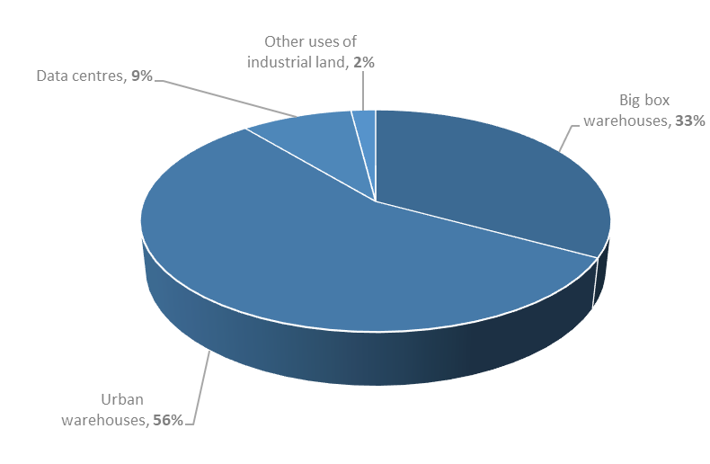

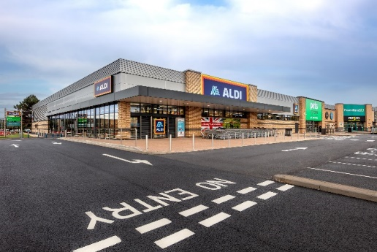
 |  | OTHER USES OF INDUSTRIAL LAND
 |  |  | Industrial land used for non-warehouse purposes. Car showrooms, self-storage facilities, hotels and offices require similar location characteristics to urban warehouses (close to major roads, public transport and a population centre) and the frontage of urban estates is often best used by such occupiers which benefit from a location with high visibility to passing trade.

Customers
CUSTOMER TYPES AS AT 30 JUNE 2024 |  |  | TOP 20 CUSTOMERS

Customer type by headline rent |  |  | CUSTOMER (BY HEADLINE RENT) | CUSTOMER TYPE

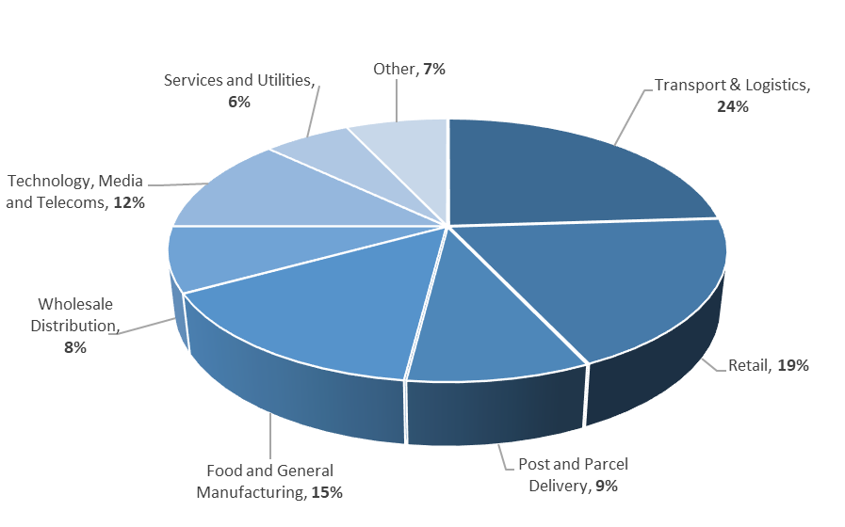
 |  |  | Amazon | Retail
 |  |  | Deutsche Post DHL | Transport & Logistics / Post & Parcel Delivery
 |  |  | Virtus | Technology, Media and Telecoms
 |  |  | Royal Mail | Post & Parcel Delivery
 |  |  | Federal Express | Post & Parcel Delivery
 |  |  | GXO | Transport & Logistics
 |  |  | British Airways | Other
 |  |  | GTR | Technology, Media and Telecoms
 |  |  | Worldwide Flight Services | Transport & Logistics
 |  |  | Equinix | Technology, Media and Telecoms
 |  |  | Geodis | Transport & Logistics
 |  |  | CEVA | Transport & Logistics
 |  |  | La Poste (DPD) | Post & Parcel Delivery
 |  |  | Iron Mountain | Technology, Media and Telecoms
 |  |  | Maersk | Transport & Logistics
 |  |  | Netflix | Technology, Media and Telecoms
 |  |  | Syncreon | Transport & Logistics
 |  |  | Leroy Merlin | Retail
 |  |  | CyrusOne | Technology, Media and Telecoms
 |  |  | Ocado | Retail
WEIGHTED AVERAGE LEASE LENGTH1
By geography | Break years | Expiry years | The top 20 customers represent headline rent of £239 million in aggregate, 33% of the Group's total headline rent at 30 June 2024 (SEGRO share).

UK | 8.7 | 9.9
Continental Europe | 5.5 | 6.3
GROUP TOTAL | 7.4 | 8.4

1Weighted by headline rent (including SEGRO share of properties in joint ventures).

