Cover
2023
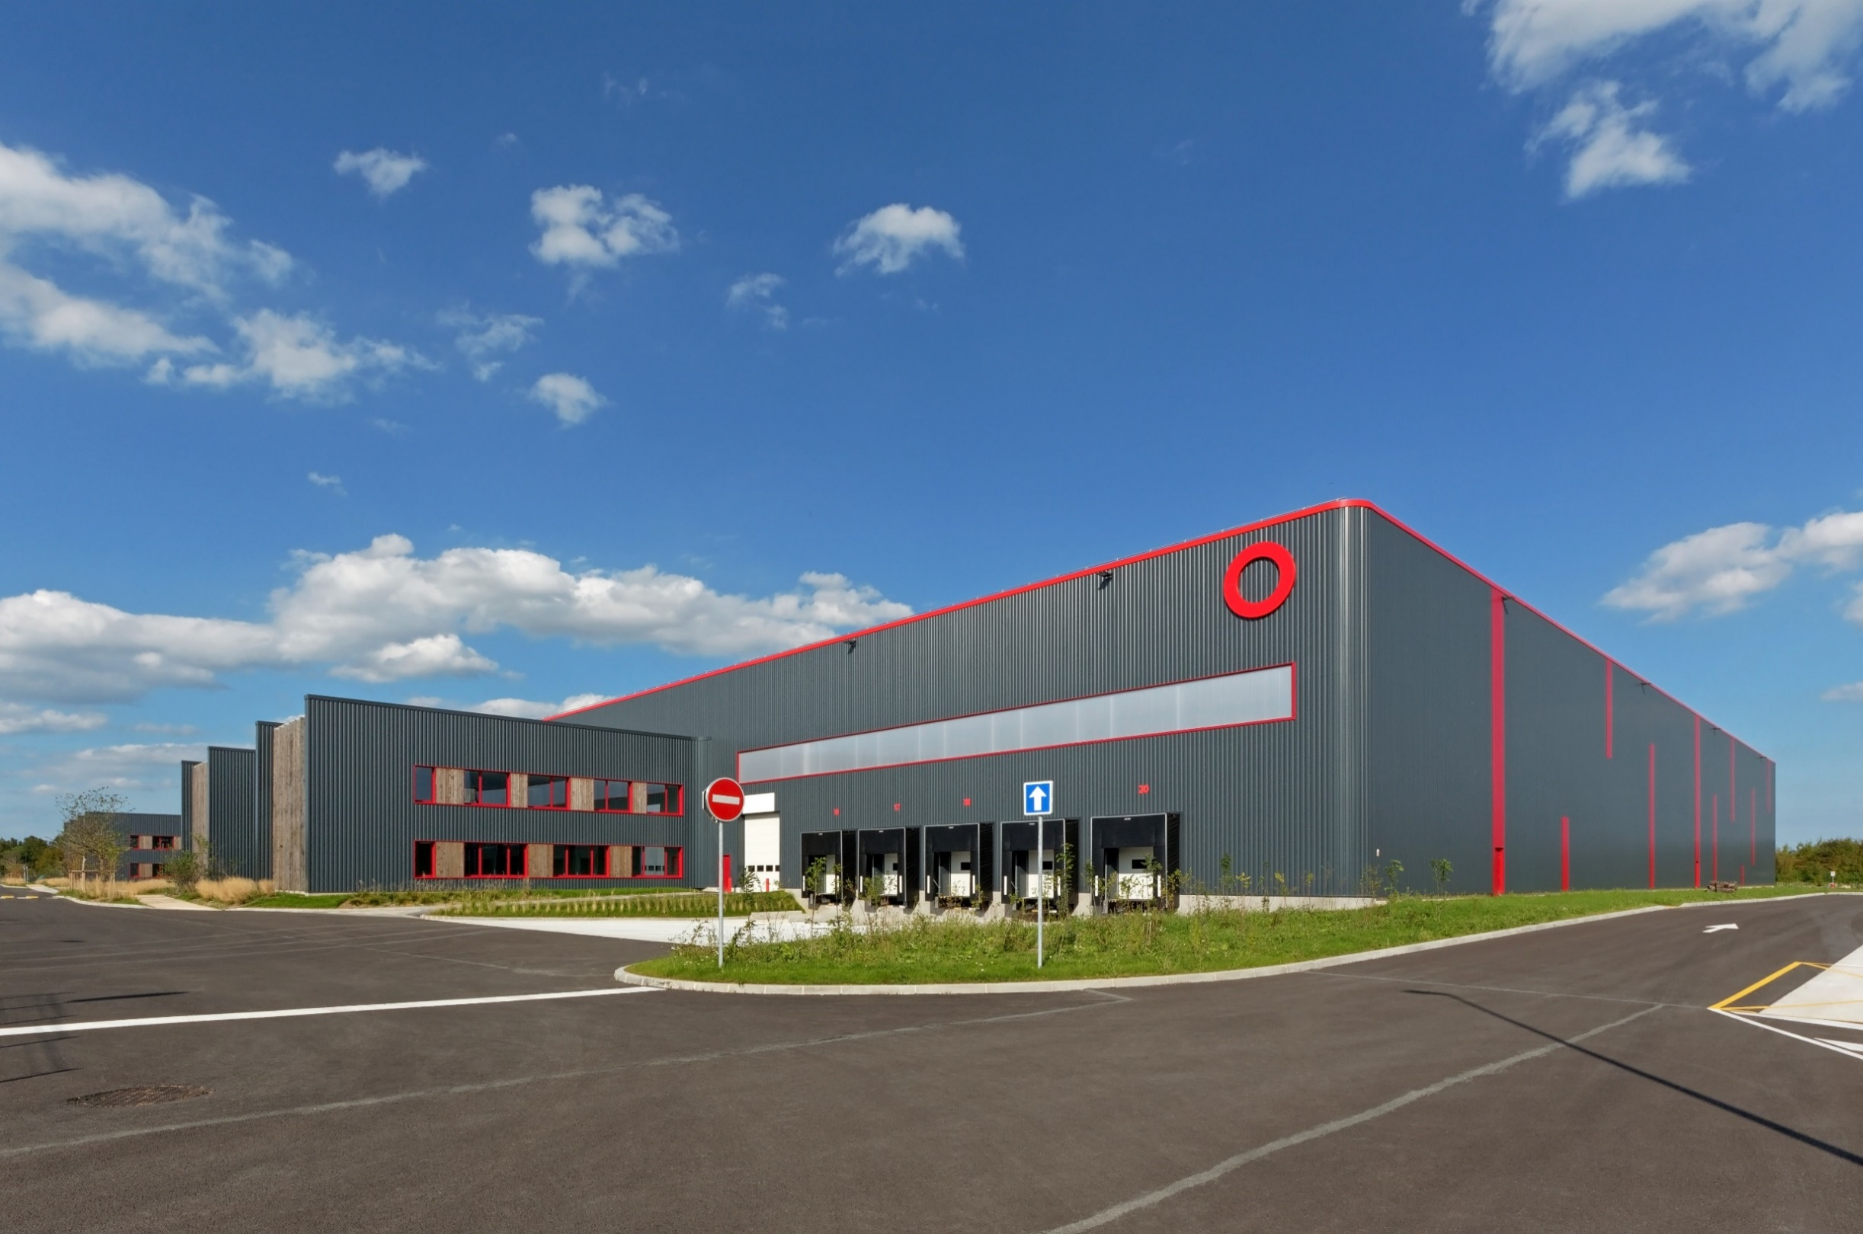

FULL YEAR
PROPERTY ANALYSIS REPORT

Overview
OVERVIEW

 | THE BUILDINGS WE PROVIDE

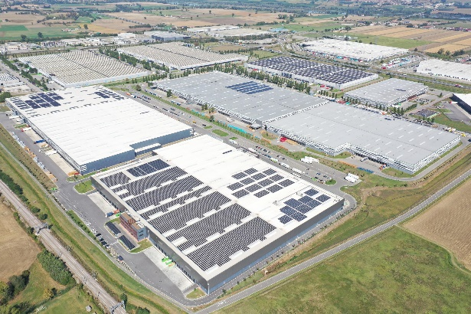
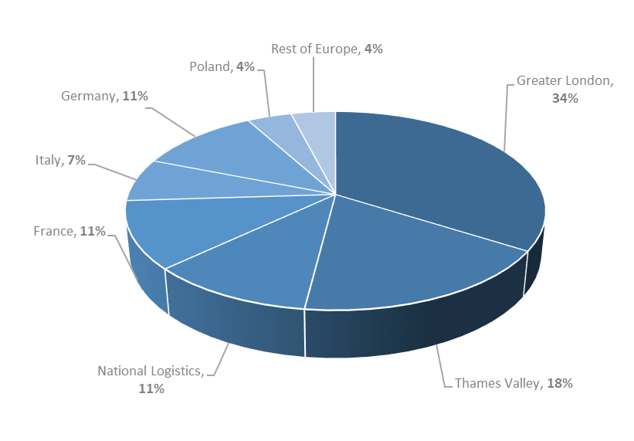
Geographical split by value |  | BIG BOX WAREHOUSES
(SEGRO share)
 |  |  | Big box warehouses are typically used for storage and processing of goods for regional, national and international distribution. The requirement for large land plots means that they tend to be located some distance from the ultimate customer but on major transport routes (mainly motorways, but also ports, rail freight terminals and airports) to allow rapid transit.


 |  | URBAN WAREHOUSES

 |  |  | Urban warehouses are located within easy reach of population centres and business districts. They are used by a wide variety of customers who need rapid access to their own customers and to labour and are therefore close to main roads and public transport. They are often clustered in estates which can comprise multi-let terraces of smaller units (typically less than 3,500 sq m), larger detached single-let warehouses (typically larger than 3,500 sq m) or a mixture of the two.

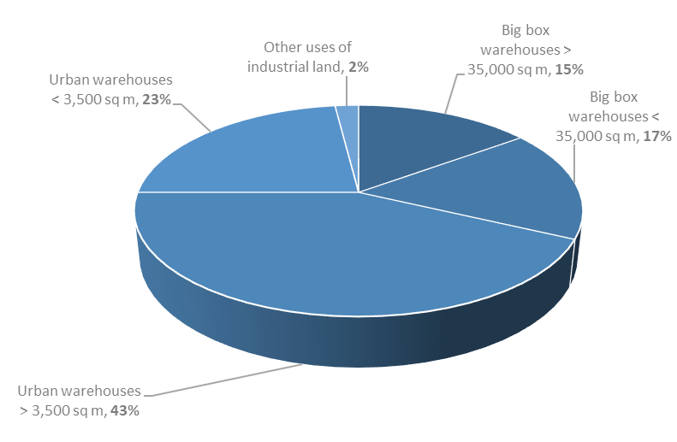
Asset type by value (excluding land)
(SEGRO share)

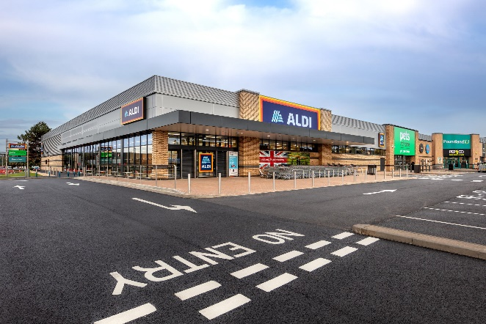
 |  | OTHER USES OF INDUSTRIAL LAND

 |  |  | Industrial land in urban areas is often used for non-warehouse purposes. Car showrooms, self storage facilities, budget hotels and offices require similar location characteristics to urban warehouses (close to major roads, public transport and a population centre) and the frontage of urban estates is often best used by such occupiers who benefit from a location with high visibility to passing trade.

Customers
CUSTOMER TYPES AS AT 31 DECEMBER 2023 |  |  | TOP 20 CUSTOMERS

Customer type by headline rent |  |  | CUSTOMER (BY HEADLINE RENT) | CUSTOMER TYPE

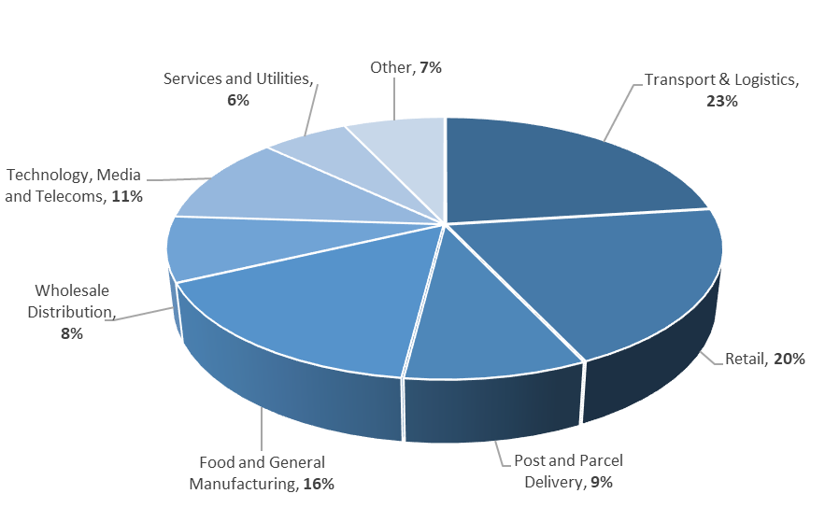
 |  |  | Amazon | Retail
 |  |  | Deutsche Post DHL | Transport & Logistics / Post & Parcel Delivery
 |  |  | Royal Mail | Post & Parcel Delivery
 |  |  | Federal Express | Post & Parcel Delivery
 |  |  | British Airways | Other
 |  |  | GTR | Technology, Media and Telecoms
 |  |  | Worldwide Flight Services | Transport & Logistics
 |  |  | Virtus | Technology, Media and Telecoms
 |  |  | GXO | Transport & Logistics
 |  |  | Equinix | Technology, Media and Telecoms
 |  |  | Geodis | Transport & Logistics
 |  |  | La Poste (DPD) | Post & Parcel Delivery
 |  |  | Iron Mountain | Technology, Media and Telecoms
 |  |  | CEVA | Transport & Logistics
 |  |  | Maersk | Transport & Logistics
 |  |  | Netflix | Technology, Media and Telecoms
 |  |  | Leroy Merlin | Retail
 |  |  | CyrusOne | Technology, Media and Telecoms
 |  |  | Ocado | Retail
 |  |  | Tesco | Wholesale & Retail Distribution
WEIGHTED AVERAGE LEASE LENGTH1
By geography | Break years | Expiry years | The top 20 customers represent headline rent of £224 million in aggregate, 32% of the Group's total headline rent at 31 December 2023 (SEGRO share).

UK | 8.4 | 9.6
Continental Europe | 5.7 | 6.6
GROUP TOTAL | 7.3 | 8.3

1Weighted by headline rent (including SEGRO share of properties in joint ventures).

