Cover
2025
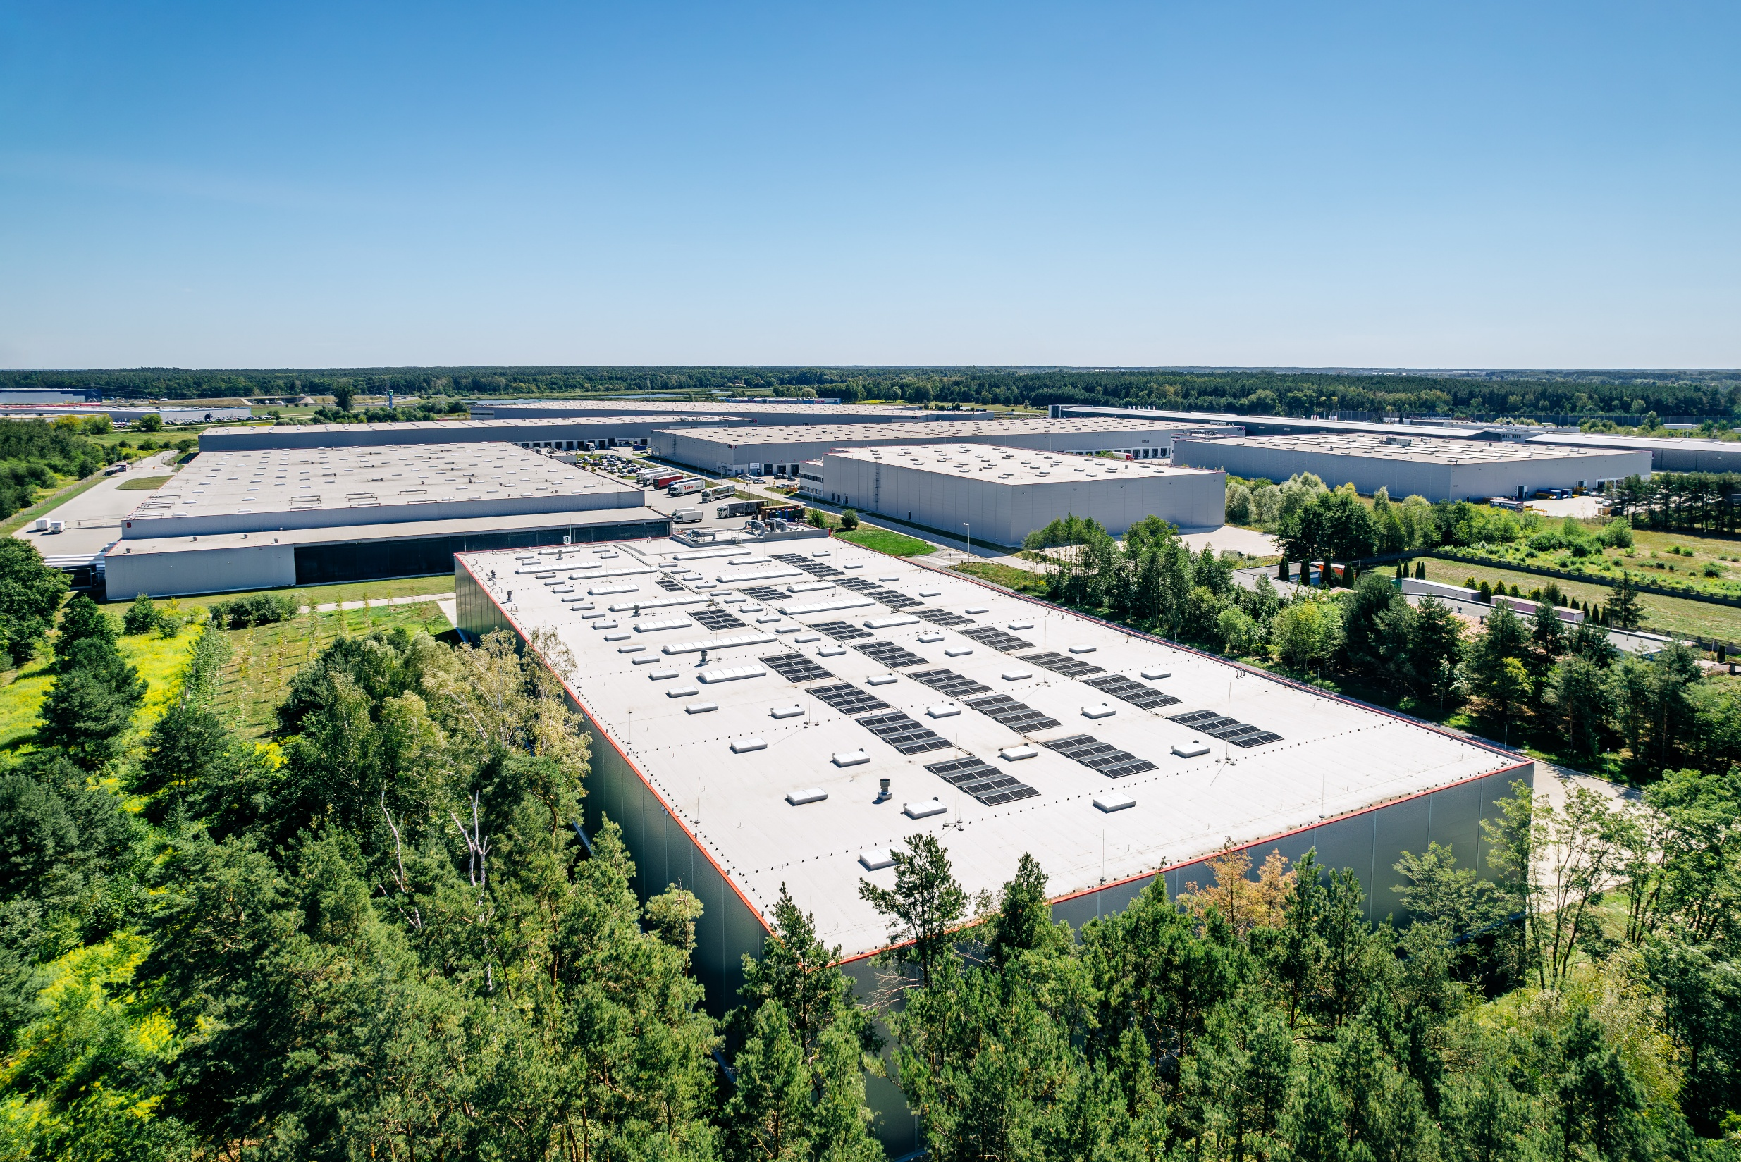

FULL YEAR
PROPERTY ANALYSIS REPORT

Overview
OVERVIEW

 | THE BUILDINGS WE PROVIDE

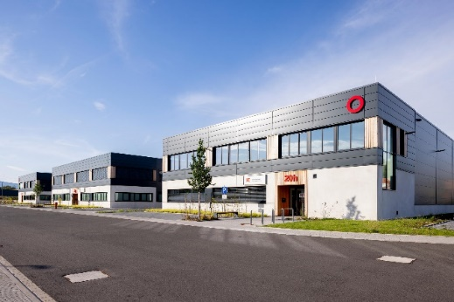
Geographical split by value |  | URBAN WAREHOUSES
(SEGRO share) |  |  | Urban warehouses are located in, or close to, population centres and business districts and provide flexible space suitable for a wide range of activities. They are used by businesses which need rapid access to end customers, as well as labour and are therefore generally situated close to main roads and public transport.
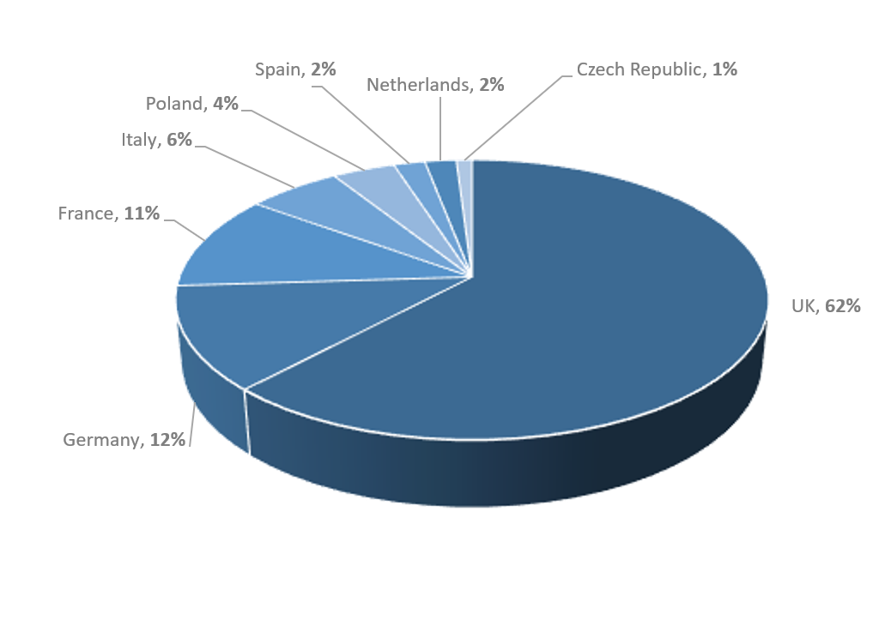

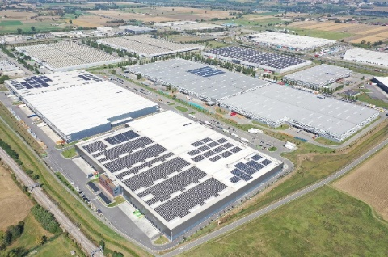
 |  | BIG BOX WAREHOUSES
 |  |  | Big box warehouses are typically used for storage and processing of goods for regional, national and international distribution and are much larger than urban warehouses. They are often located far from the end customer but are situated in key logistics hubs or along major transport routes (mainly motorways, ports, rail freight terminals and airports) to allow rapid transit.

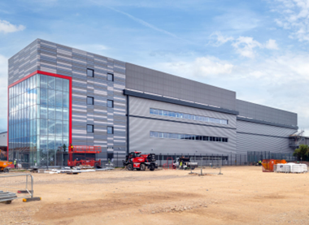
Asset type by value (excluding land) |  | DATA CENTRES
(SEGRO share) |  |  | Data centres house IT infrastructure for building, running and delivering applications and services, including the Cloud and Artificial Intelligence. They are often located close to densely populated areas and major financial centres and create clusters known as Availability Zones. SEGRO’s data centres to date are all powered shells which means the fitout and operation is managed by the customer which leases the space.
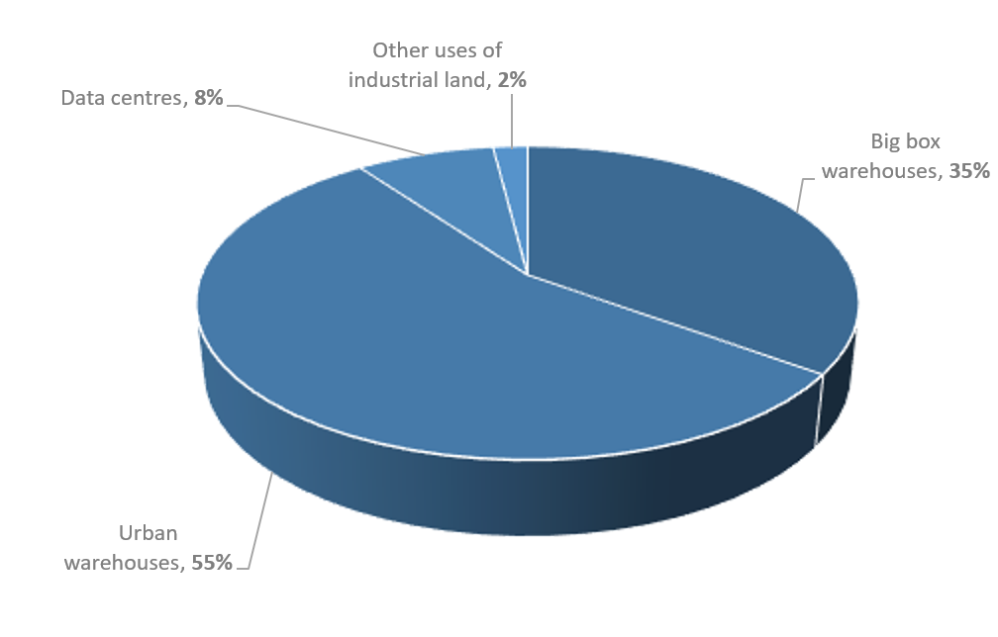

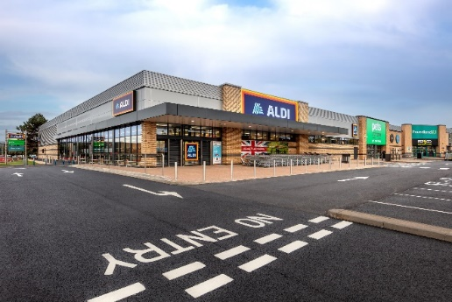
 |  | OTHER USES OF INDUSTRIAL LAND
 |  |  | Industrial land used for non-warehouse purposes. Car showrooms, self-storage facilities, hotels and offices require similar location characteristics to urban warehouses (close to major roads, public transport and a population centre) and the frontage of urban estates is often best used by such occupiers which benefit from a location with high visibility to passing trade.

Customers
CUSTOMER TYPES AS AT 31 DECEMBER 2025 |  |  | TOP 20 CUSTOMERS

Customer type by headline rent |  |  | CUSTOMER (BY HEADLINE RENT) | CUSTOMER TYPE

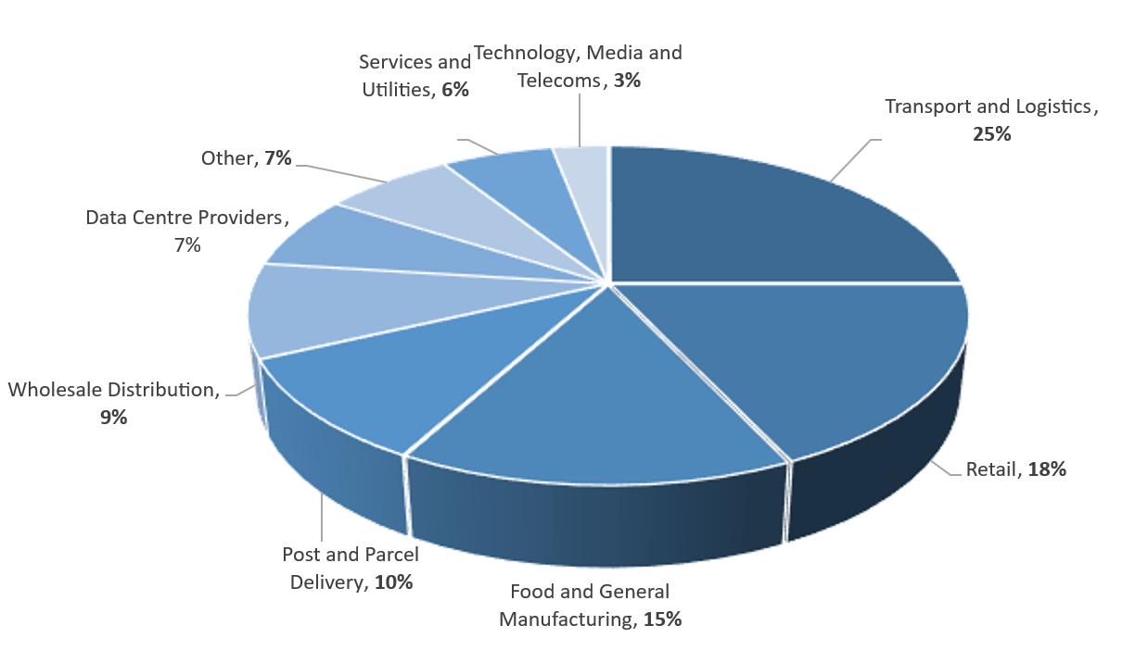
 |  |  | Amazon | Retail
 |  |  | DHL | Transport & Logistics / Post & Parcel Delivery
 |  |  | Royal Mail | Post & Parcel Delivery
 |  |  | Virtus | Data Centre Providers
 |  |  | GXO | Transport & Logistics
 |  |  | Fedex | Post & Parcel Delivery
 |  |  | Worldwide Flight Services | Transport & Logistics
 |  |  | Iron Mountain | Data Centre Providers
 |  |  | British Airways | Other
 |  |  | Yusen | Transport & Logistics
 |  |  | Global Technical Realty | Data Centre Providers
 |  |  | Equinix | Data Centre Providers
 |  |  | CEVA | Transport & Logistics
 |  |  | Maersk | Transport & Logistics
 |  |  | La Poste (DPD) | Post & Parcel Delivery
 |  |  | Tesco | Wholesale Distribution
 |  |  | DP World | Transport & Logistics
 |  |  | SDA | Post & Parcel Delivery
 |  |  | Schwartz | Retail
 |  |  | Swissport | Transport & Logistics
WEIGHTED AVERAGE LEASE LENGTH1
By geography | Break years | Expiry years | The top 20 customers represent headline rent of £269 million in aggregate, 33% of the Group's total headline rent at 31 December 2025 (SEGRO share).

UK | 8.7 | 9.9
Continental Europe | 4.9 | 6.0
GROUP TOTAL | 7.1 | 8.2

1Weighted by headline rent (including SEGRO share of properties in joint ventures).

